Animals
Date | Number | Image | Name | Type
19.6.2025 | 1 | 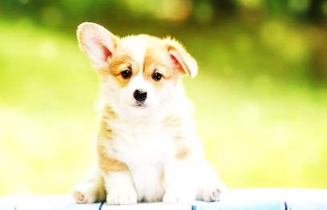 | Dog | Carnivores
3.7 2025 | 2 |  | Cat | Carnivores

